PivotTable
currency | CNY |  | currency | CNY | currency | CNY

Row Labels | Buy Price | Sell Price | Row Labels | Count of spread | Row Labels | Sum of buy | Sum of sell
2024-05-04 | 4.66 | 4.94 | 0.2600 | 1 | 2024-05-04 | 4.66 | 4.94
2024-05-05 | 4.66 | 4.94 | 0.2900 | 1 | 2024-05-05 | 4.66 | 4.94
2024-05-06 | 4.65 | 4.93 | 0.2800 | 11 | 2024-05-06 | 4.65 | 4.93
2024-05-07 | 4.67 | 4.94 | 0.2700 | 17 | 2024-05-07 | 4.67 | 4.94
2024-05-08 | 4.69 | 4.96 | Grand Total | 30 | 2024-05-08 | 4.69 | 4.96
2024-05-09 | 4.67 | 4.94 |  |  | 2024-05-09 | 4.67 | 4.94
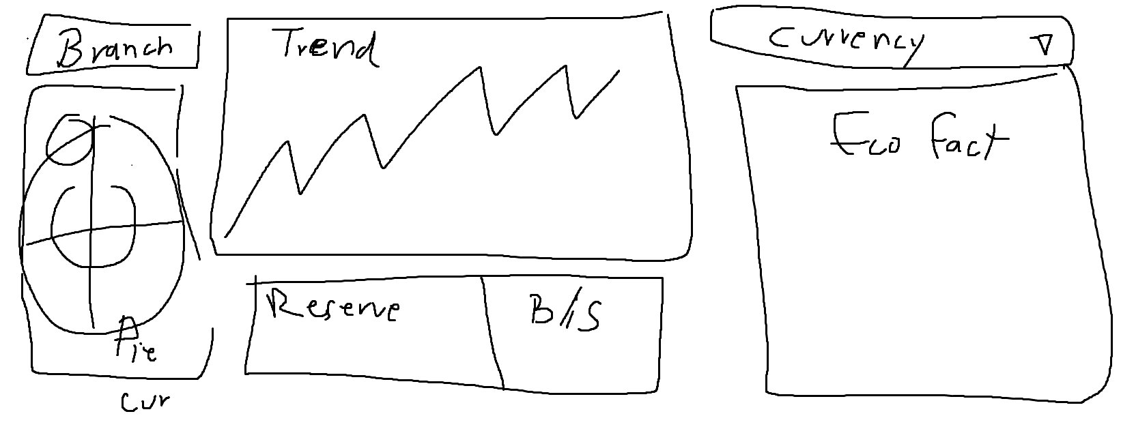
2024-05-10 | 4.65 | 4.92 |  |  | 2024-05-10 | 4.65 | 4.92
2024-05-11 | 4.65 | 4.92 |  |  | 2024-05-11 | 4.65 | 4.92
2024-05-12 | 4.65 | 4.92 |  |  | 2024-05-12 | 4.65 | 4.92
2024-05-13 | 4.66 | 4.93 |  |  | 2024-05-13 | 4.66 | 4.93
2024-05-14 | 4.64 | 4.91 | 4.63 |  | 2024-05-14 | 4.64 | 4.91
2024-05-15 | 4.64 | 4.92 |  |  | 2024-05-15 | 4.64 | 4.92
2024-05-16 | 4.59 | 4.87 |  |  | 2024-05-16 | 4.59 | 4.87
2024-05-17 | 4.6 | 4.88 |  |  | 2024-05-17 | 4.6 | 4.88
2024-05-18 | 4.59 | 4.86 |  |  | 2024-05-18 | 4.59 | 4.86
2024-05-19 | 4.59 | 4.86 |  |  | 2024-05-19 | 4.59 | 4.86
2024-05-20 | 4.56 | 4.84 |  |  | 2024-05-20 | 4.56 | 4.84
2024-05-21 | 4.59 | 4.86 |  |  | 2024-05-21 | 4.59 | 4.86
2024-05-22 | 4.6 | 4.89 |  |  | 2024-05-22 | 4.6 | 4.89
2024-05-23 | 4.63 | 4.89 |  |  | 2024-05-23 | 4.63 | 4.89
2024-05-24 | 4.63 | 4.9 |  |  | 2024-05-24 | 4.63 | 4.9
2024-05-25 | 4.62 | 4.89 |  |  | 2024-05-25 | 4.62 | 4.89
2024-05-26 | 4.62 | 4.89 |  |  | 2024-05-26 | 4.62 | 4.89
2024-05-27 | 4.62 | 4.89 |  |  | 2024-05-27 | 4.62 | 4.89
2024-05-28 | 4.62 | 4.89 |  |  | 2024-05-28 | 4.62 | 4.89
2024-05-29 | 4.63 | 4.9 |  |  | 2024-05-29 | 4.63 | 4.9
2024-05-30 | 4.64 | 4.92 |  |  | 2024-05-30 | 4.64 | 4.92
2024-05-31 | 4.63 | 4.91 |  |  | 2024-05-31 | 4.63 | 4.91
2024-06-01 | 4.63 | 4.91 |  |  | 2024-06-01 | 4.63 | 4.91
2024-06-02 | 4.63 | 4.91 |  |  | 2024-06-02 | 4.63 | 4.91
Grand Total | 138.91 | 147.13 |  |  | Grand Total | 138.91 | 147.13

Dashboard
Forex data Dashboard
Latest Buy Price | Latest Sell Price
4.63 | 4.91

 | Buy Price | Sell Price
5/4/2024 | 4.66 | 4.94
5/5/2024 | 4.66 | 4.94
5/6/2024 | 4.65 | 4.93
5/7/2024 | 4.67 | 4.94
5/8/2024 | 4.69 | 4.96
5/9/2024 | 4.67 | 4.94
5/10/2024 | 4.65 | 4.92
5/11/2024 | 4.65 | 4.92
5/12/2024 | 4.65 | 4.92
5/13/2024 | 4.66 | 4.93
5/14/2024 | 4.64 | 4.91
5/15/2024 | 4.64 | 4.92
5/16/2024 | 4.59 | 4.87
5/17/2024 | 4.6 | 4.88
5/18/2024 | 4.59 | 4.86
5/19/2024 | 4.59 | 4.86
5/20/2024 | 4.56 | 4.84
5/21/2024 | 4.59 | 4.86
5/22/2024 | 4.6 | 4.89
5/23/2024 | 4.63 | 4.89
5/24/2024 | 4.63 | 4.9
5/25/2024 | 4.62 | 4.89
5/26/2024 | 4.62 | 4.89
5/27/2024 | 4.62 | 4.89
5/28/2024 | 4.62 | 4.89
5/29/2024 | 4.63 | 4.9
5/30/2024 | 4.64 | 4.92
5/31/2024 | 4.63 | 4.91
6/1/2024 | 4.63 | 4.91
6/2/2024 | 4.63 | 4.91
 | Total
0.26 | 1
0.29 | 1
0.28 | 11
0.27 | 17

 |  | 1. Add econ
 |  | 2. Add Timeline

